Indices

 | Iraq Stock Exchange
 | Bulletin No (38)
 | ISX Trading Indices of Thursday 26/2/2026

 | Traded Volume and OTC |  | 1,080,132,609 |  | Traded Value and OTC |  | 639,597,041 |  | Traders | 607

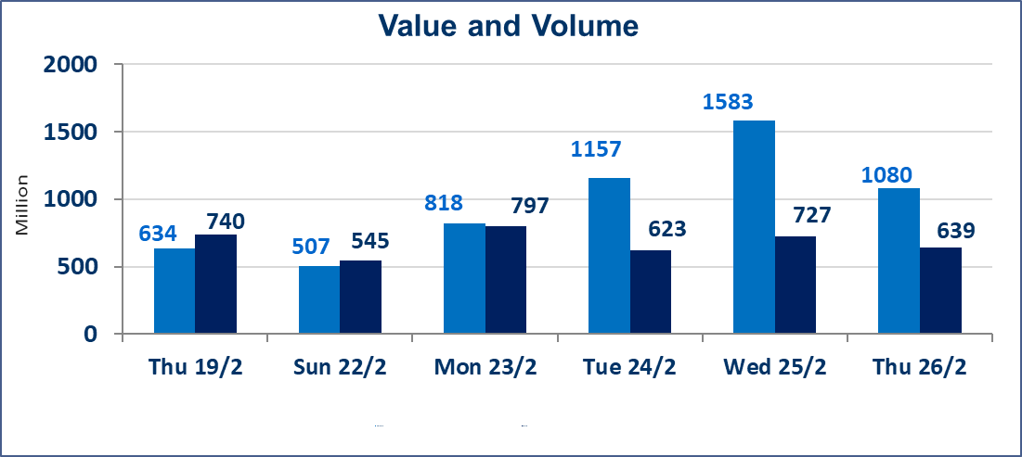
 | ISX Index 60 |  |  | 963.44 | ISX Index 15 |  |  | 1222.45
 | Previous ISX Index60 |  |  | 962.36 | Previous ISX Index15 |  |  | 1226.88
 | Change % |  |  | 0.11 | Change % |  |  | -0.36
 | Change |  |  | 1.08 | Change |  |  | -4.43

 | Listed Companies | 104 | OTC | 14 | Non Traded listed | 42 | OTC | 13
 | Traded Listed Companies | 52 | OTC | 1 | Higher Companies |  |  | 17
 | GAM Companies |  |  | 0 | Lower Companies |  |  | 9
 | Suspended Companies |  |  | 10
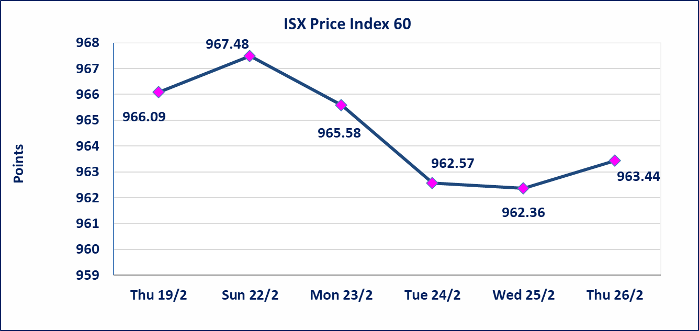
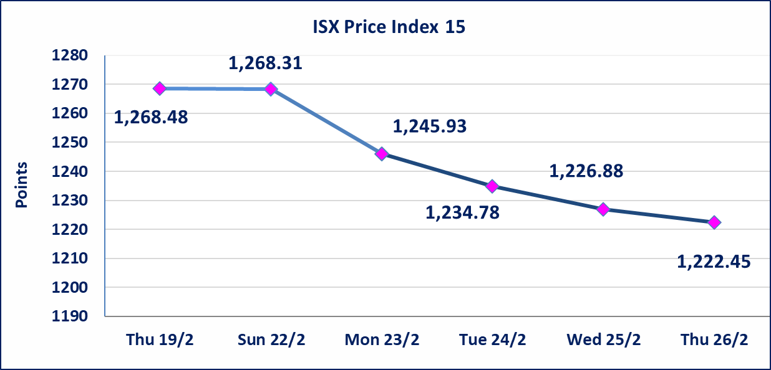

Al-Alwiya P.O . 3607 Mobile: 07711211522 - 07270094594 - 07834000034 E-mail: info-isx@isx-iq.net Web site:www.isx-iq.net

Top 5
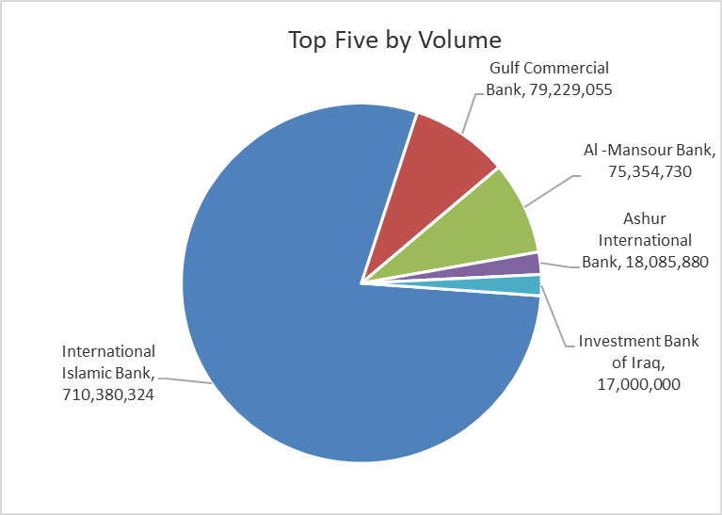
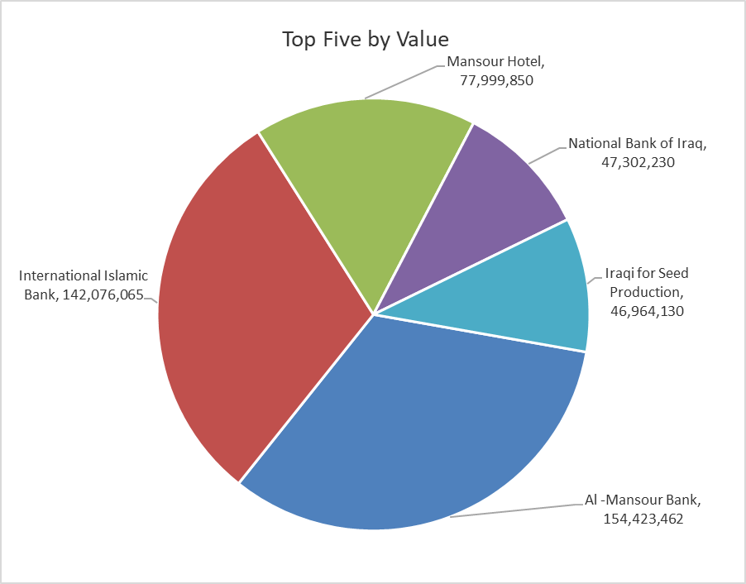

ISX top ganing and losing companies
Thursday 26/2/2026
 | Gainers |  |  |  | Losers
 | Company Name | Closing Price | Change (%) | Traded Volume | Company Name | Closing Price | Change (%) | Traded Volume
 | Al-Hamraa for Insurance | 3.250 | 13.64 | 225,071 | Modern Construction Materials | 1.250 | -4.58 | 514,078
 | AL-Nukhba for Construction | 0.770 | 11.59 | 27,000 | Modern Sewing | 5.250 | -1.87 | 100,000
 | Mansour Hotel | 50.000 | 11.11 | 1,560,000 | Commercial Islamic Bank of Iraq | 0.670 | -1.47 | 1,000,000
 | Iraqi Carton Manufactories | 2.160 | 4.85 | 87,534 | National Bank of Iraq | 4.800 | -1.03 | 9,839,187
 | Electronic Industry | 1.800 | 4.65 | 927,000 | Babylon Hotel | 100.000 | -0.99 | 6,000
 | The most active companies in term of traded volume and value

 | Traded Volume |  |  |  | Traded Value
 | Company Name | Closing Price | Change (%) | Traded Volume | Company Name | Closing Price | Change (%) | Traded Value
 | International Islamic Bank | 0.200 | 0.00 | 710,380,324 | Al -Mansour Bank | 2.050 | -0.49 | 154,423,462
 | Gulf Commercial Bank | 0.330 | 0.00 | 79,229,055 | International Islamic Bank | 0.200 | 0.00 | 142,076,065
 | Al -Mansour Bank | 2.050 | -0.49 | 75,354,730 | Mansour Hotel | 50.000 | 11.11 | 77,999,850
 | Ashur International Bank | 0.240 | 0.00 | 18,085,880 | National Bank of Iraq | 4.800 | -1.03 | 47,302,230
 | Investment Bank of Iraq | 0.210 | 0.00 | 17,000,000 | Iraqi for Seed Production | 4.990 | 0.60 | 46,964,130

Non Iraqi

Iraq Stock Exchange
Non Iraqis' Bulletin Thursday Feb 26 2026
Regular Market

Non Iraqi Trading of Regular Market (Buy)
Company Names | Code | No.of trades | Traded Shares | Trading Volume
Industry Sector
Iraqi For Tufted Carpets | IITC | 1 | 100,000 | 1,745,000
Total Industry sector |  | 1 | 100,000 | 1,745,000
Hotel Sector
Babylon Hotel | HBAY | 1 | 5,000 | 500,000
Total Hotel Sector |  | 1 | 5,000 | 500,000
Agricultural Sector
Iraqi Agricultural Products Marketing Meat | AIPM | 1 | 12,109 | 55,701
Total Agricultural Sector |  | 1 | 12,109 | 55,701
Grand Total |  | 3 | 117,109 | 2,300,701

Non Iraqi Trading of Second Market (Sell)
Company Names | Code | No.of trades | Traded Shares | Trading Volume
Insurance Sector
Al-Hamraa for Insurance | NHAM | 1 | 24,921 | 80,993
Total Insurance sector |  | 1 | 24,921 | 80,993
Grand Total |  | 1 | 24,921 | 80,993

Non Iraqi Trading of Undisclosed Platform (BUY)
Company Names | Code | No.of trades | Traded Shares | Trading Volume
Industry Sector
Al -HiLal Industries | IHLI | 2 | 100,000 | 152,000
Total Industry sector |  | 2 | 100,000 | 152,000
Grand Total |  | 2 | 100,000 | 152,000

Not Trading Bonds

Iraq Stock Exchange
Thursday 26/2/2026
Not Trading Bonds Bulletin
Bond type | Publish type | Code | last trading price | immortilize date
Banaa Bonds /Million ID | Second | CB20 | 964,981 | 19/12/2025
Eamar Bonds /Million ID | First | CB30 | 1,001,095 | ــــــــــــــــ
Eamar Bonds /Million ID | Second | CB40 | ــــــــــــــــ | ــــــــــــــــ
Eamar Bonds /500 Thousand ID | Third | CB45 | ــــــــــــــــ | ــــــــــــــــ
Eamar Bonds /Million ID | Third | CB50 | ــــــــــــــــ | ــــــــــــــــ
Injaz Bonds /500 Thousand ID | First | CB55 | ــــــــــــــــ | ــــــــــــــــ
Injaz Bonds /Million ID | First | CB60 | ــــــــــــــــ | ــــــــــــــــ
Injaz Bonds /500 Thousand ID | Second | CB65 | 502,671 | ــــــــــــــــ
Injaz Bonds /Million ID | Second | CB70 | 1,026,082 | ــــــــــــــــ
Injaz Bonds /500 Thousand ID | Third | CB75 | ــــــــــــــــ | ــــــــــــــــ
Injaz Bonds /Million ID | Third | CB80 | 978,182 | ــــــــــــــــ
National Bonds/Million ID | First | CB90 | ــــــــــــــــ | ــــــــــــــــ
National Bonds/500 Thousand ID | Second | CB95 | ــــــــــــــــ | ــــــــــــــــ
National Bonds/Million ID | Second | CB100 | ــــــــــــــــ | ــــــــــــــــ

